Call out page
PPK #/Size range: |  | 385685-Slim fit | Season: | SP-26 | Sample Stage: | RedTag
Supplier Name: |  | Raymond America | Measurer: | Akhil | Date: | 10/8/2025
FIT IMAGE
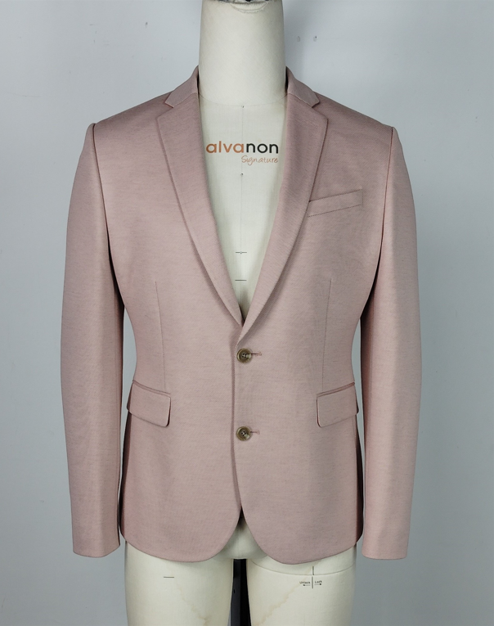 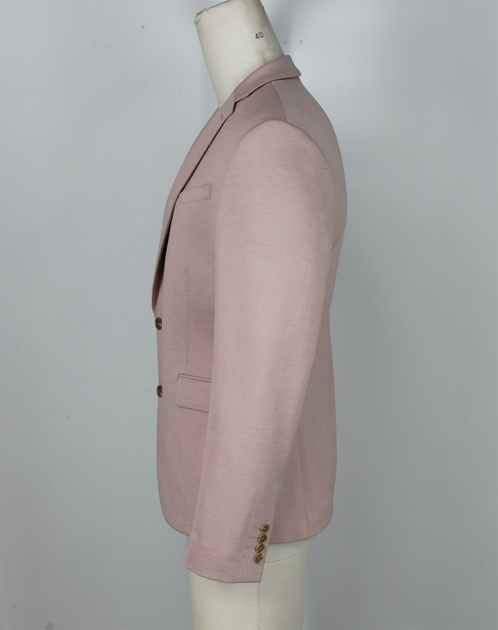 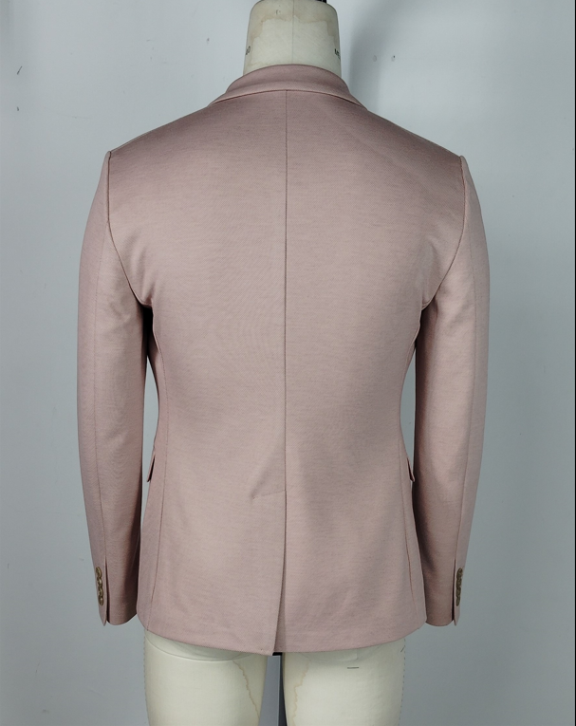 Picture

FACTORY FIT/MEASUREMENT/CONSTRUCTION/WORKMANSHIP COMMENT
1 | No call outs for this style.
2
3
4
5
6
7
8
9
10
WRITTEN CPA (FOR REG SIZE FIT KEEP/ PP SAMPLE SUBMISSION ONLY)

SKETCH/CONSTRUCTION/GRADING ISSUE

Pattern screen or overlay
